STR
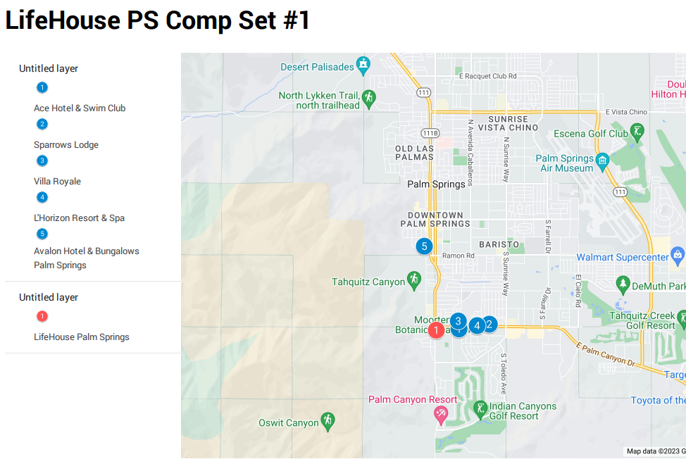

LH PS | 2022 | 2023 | 2024 | 2025 | 2026 | 2027 | 2028
Occupancy |  | 25.0% | 60.0% | 60.0% | 60.0% | 60.0% | 60.0%
ADR |  | $200 | $265 | $273 | $281 | $290 | $298
RevPAR |  | $50.00 | $159.00 | $163.77 | $168.68 | $173.74 | $178.96

Comp Set #1
Occupancy | 56.5% | 56.5% | 56.5% | 56.5% | 56.5% | 56.5% | 56.5%
ADR | $391 | $403 | $415 | $427 | $440 | $453 | $467
RevPAR | $221 | $227 | $234 | $241 | $249 | $256 | $264

Penetration to Comp Set #1
Occupancy |  |  | 106% | 106% | 106% | 106% | 106%
ADR |  |  | 64% | 64% | 64% | 64% | 64%
RevPAR |  |  | 68% | 68% | 68% | 68% | 68%

Comp Set #2
Occupancy | 50.3% | 50.3% | 50.3% | 50.3% | 50.3% | 50.3% | 50.3%
ADR | $377 | $388 | $400 | $412 | $424 | $437 | $450
RevPAR | $189 | $195 | $201 | $207 | $213 | $220 | $226
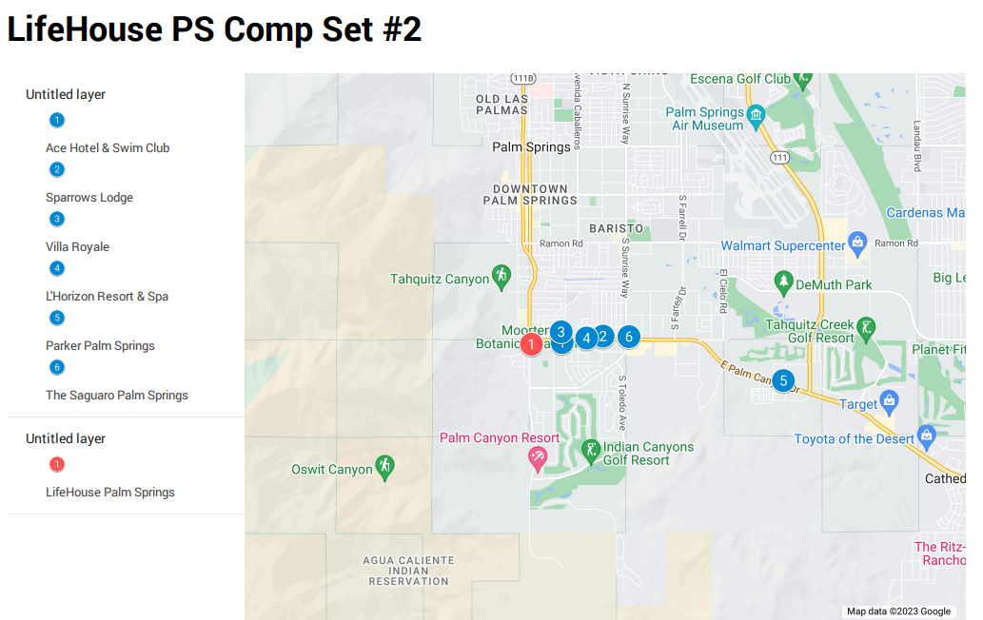
Penetration to Comp Set #1
Occupancy |  |  | 119% | 119% | 119% | 119% | 119%
ADR |  |  | 66% | 66% | 66% | 66% | 66%
RevPAR |  |  | 79% | 79% | 79% | 79% | 79%

Palm Springs (Upper Upscale & Luxury)
Occupancy | 57.8% | 57.8% | 57.8% | 57.8% | 57.8% | 57.8% | 57.8%
ADR | $303 | $312 | $321 | $331 | $341 | $351 | $361
RevPAR | $175 | $180 | $186 | $191 | $197 | $203 | $209

Penetration to Comp Set #1
Occupancy |  |  | 104% | 104% | 104% | 104% | 104%
ADR |  |  | 83% | 83% | 83% | 83% | 83%
RevPAR |  |  | 86% | 86% | 86% | 86% | 86%

Comp Set #1 | Open Date | Rooms | Share
Avalon Hotel Palm Springs | 1929-06-01 | 71 | 20%
Villa Royale | 1947-06-01 | 37 | 10%
Ace Hotel & Swim Club Palm Springs | 1966-06-01 | 179 | 50%
L'Horizon Resort & Spa | 1954-06-01 | 49 | 14%
Sparrows Lodge | 1942-06-01 | 20 | 6%

Comp Set #2 | Open Date | Rooms | Share
The Saguaro Palm Springs | 1977-06-01 | 244 | 36%
Villa Royale | 1947-06-01 | 37 | 5%
Ace Hotel & Swim Club Palm Springs | 1966-06-01 | 179 | 27%
Parker Palm Springs | 1959-06-01 | 144 | 21%
L'Horizon Resort & Spa | 1954-06-01 | 49 | 7%
Sparrows Lodge | 1942-06-01 | 20 | 3%

